TEDB Edition 40
Petroleum accounted for 33% of the world’s energy use in 2018. Although petroleum and natural gas are the dominant energy sources for OECD countries, the non-OECD countries rely on coal and petroleum. The U.S. shares of primary energy sources are similar to the OECD countries as a whole, but with a lesser reliance on renewables and a greater reliance on natural gas.

Figure 2.1. World Consumption of Primary Energy, 2018
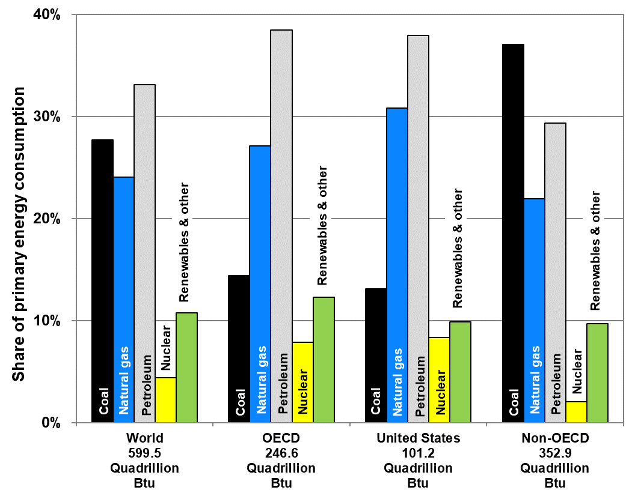

 | Quadrillion Btu |  |  |  | Share of Primary Energy Consumption
 | World | OECD | United States | Non-OECD | World | OECD | United States | Non-OECD
Coal | 166.1 | 35.5 | 13.3 | 130.6 | 28% | 14% | 13% | 37%
Natural gas | 144.2 | 66.7 | 31.2 | 77.4 | 24% | 27% | 31% | 22%
Petroleum & other liquids | 198.3 | 94.7 | 38.4 | 103.6 | 33% | 38% | 38% | 29%
Nuclear | 26.5 | 19.4 | 8.4 | 7.2 | 4% | 8% | 8% | 2%
Renewables & other | 64.4 | 30.2 | 10.0 | 34.1 | 11% | 12% | 10% | 10%
Total | 599.5 | 246.6 | 101.2 | 352.9 | 100% | 100% | 100% | 100%

Note: The United States data are shown separately but are also included in the OECD data.

Source:
U.S. Department of Energy, Energy Information Administration, International Energy Statistics, August 2021. (Additional resources: www.eia.doe.gov)

